Dashboard
BIKE SHARE ANALYSIS DASHBOARD

AVERAGE TRIP DURATION
00:13:36
MAXIMUM TRIP DURATION
02:03:07
MINIMUM TRIP DURATION
00:01:16

Thursday had the most bike trips with 119 trips (17.70%) of the total recorded trips
Central Park S & 6 Ave was the top Start Station with 12 recorded entries out of the total
Male customers accounted for 79% of bike rentals compared to 21% of female customers

Count of Day by bike trips
 | Total
Wed | 119
Thu | 117
Fri | 96
Tue | 89
Mon | 83
Sat | 83
Sun | 74
Top 10 Start Stations
 | Total
E 32 St & Park Ave | 6
Duane St & Greenwich St | 6
Bayard St & Baxter St | 6
W 20 St & 11 Ave | 6
Pershing Square North | 6
Lafayette St & E 8 St | 7
2 Ave & E 31 St | 7
W 43 St & 6 Ave | 7
West St & Chambers St | 8
Central Park S & 6 Ave | 12
Gender Distribution of Customers
 | Total
Female | 125
Male | 457

The top end station was E17 St & Broadway and E7 St &
Avenue A
The age-group with most bike trips was the 30-39 age bracket while the least was the 80-89 age bracket
The longest trip duration of 2 hours, 3 minutes was a trip from Lafeyette St & E to Division St & Bowery

Top 10 End Stations
 | Total
1 Ave & E 68 St | 6
Greenwich Ave & 8 Ave | 6
E 15 St & 3 Ave | 6
South End Ave & Liberty St | 6
West St & Chambers St | 6
E 23 St & 1 Ave | 6
W 33 St & 7 Ave | 8
W 38 St & 8 Ave | 8
E 7 St & Avenue A | 10
E 17 St & Broadway | 10
Destinations with Longest Trip Duration
 | Total
Lafayette St & E 8 St to Division St & Bowery 02 :03 | 0.085497685185
1 Ave & E 68 St to E 47 St & Park Ave 01 :25 | 0.059398148148
Throop Ave & Myrtle Ave to Forsyth St & Broome St 01 :23 | 0.057928240741
Berkeley Pl & 7 Ave to Bergen St & Smith St 01 :15 | 0.052696759259
E 10 St & 5 Ave to Columbus Ave & W 72 St 01 :07 | 0.046736111111
Top users by Age group
 | Total
30-39 | 216
40-49 | 156
50-59 | 101
60-69 | 52
20-29 | 43
70-79 | 15
80-89 | 2

The Customer segment distribution showed Subscribers are the bulk of users making up 89% of the total users
Summary of Insights and Recommendations
A total of 661 trips were analysed in the bike share dataset of which 79% were male and 21% were female. The 30-39 age group were the most active users while there were more subscribers than one-off customers. While this is a positive step , the 11% one -off users (customers) are a potential revenue source that can be targeted by the company to become repeating customers (subscribers). This will help improve the company's bottom line by bringing in more revenue and profit.
Majority of the users are also male and this could mean that men are more likely to use a bike share service or that a potential marketing opportunity exists where the bike share company can target and grow their female customer segment. To this end, more user research is recommended.
Next, Central Park S & Avenue was the top start station while there was a tie for the top end station. An interesting observation made was the trip from start station Lafeyette St to end station Division St which took 2 hours. It would be fitting to find out the distance between both stations taking into consideration the various routes to determine why it took so long especially as the average trip duration for all trips was 13:36 secs.
Finally, the day with the most bike trips was Thursday. It would be equally interesting to find out why this is so. Was it due to more or less traffic on the road? Finding out these and the other afore-mentioned parameters would help in determining what promotional efforts can be made by the bike-share company to increase subscriber base and subsequently market share.
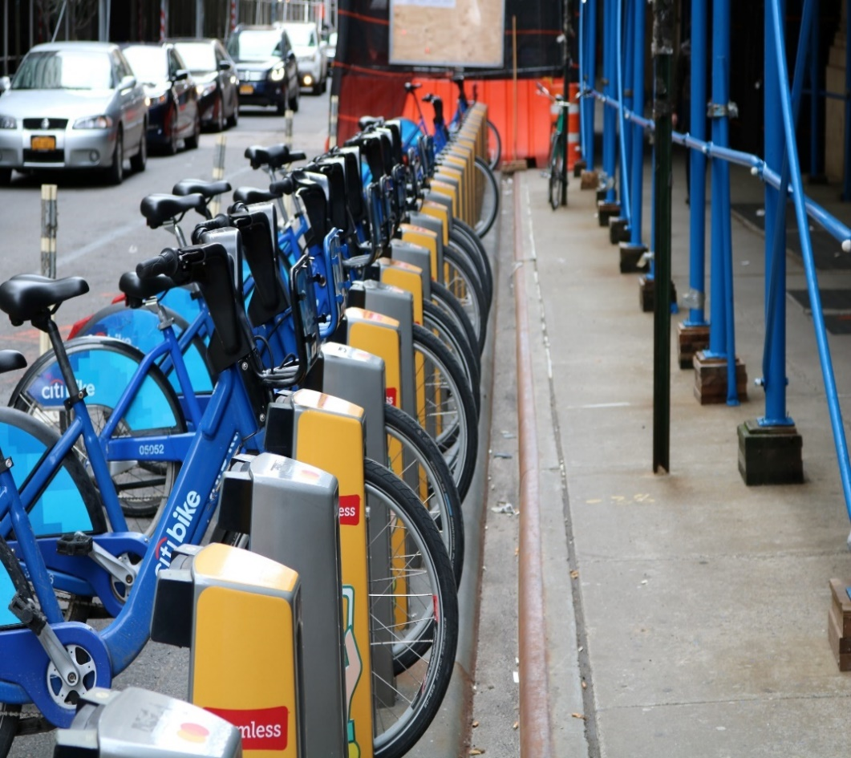

User Type Distribution
 | Total
Customer | 73
Subscriber | 588

